Q1
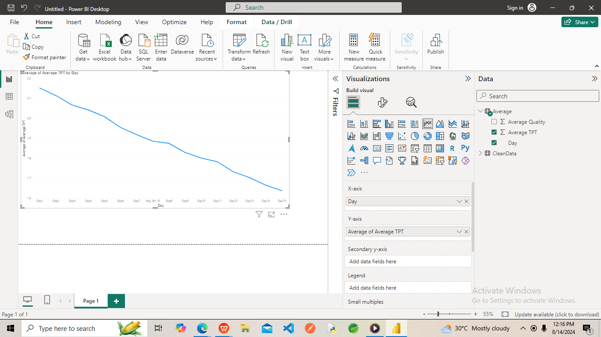
Did anyone take more time on Day 15 than Day 14?
Ans=>NO

Q2
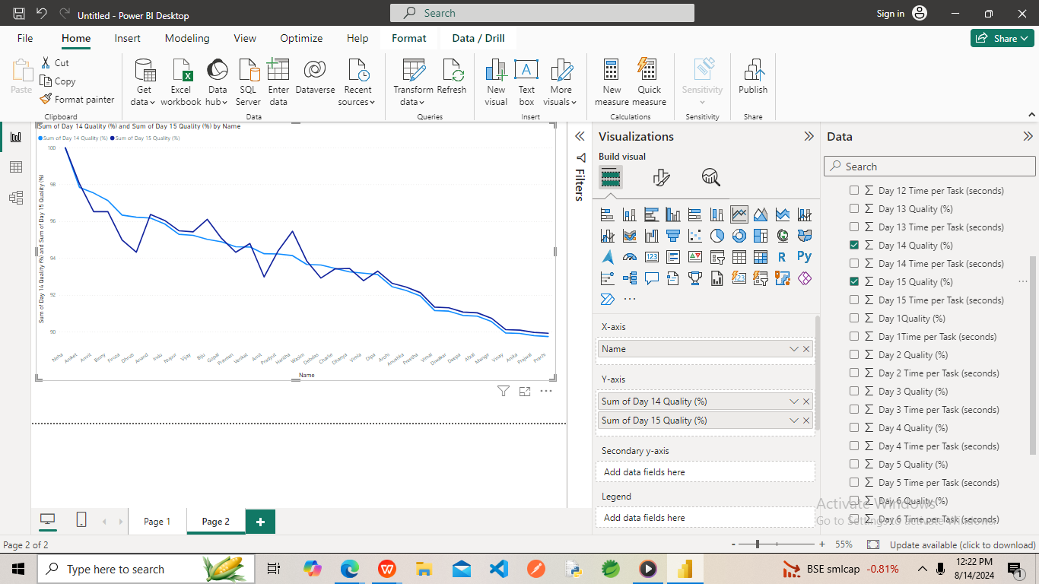
Did anyone take longer because they were focusing too much on the quality?

Ans=> Dhruti decrease Quality & Biju & Harshita Increase Quality

Q3

How many have shown improvement in terms of TPT on Day 15
Ans=>Anand,Nupur,Biju,Gopal,Dhanya,Dipa improve quality in Day 15

Q4 A
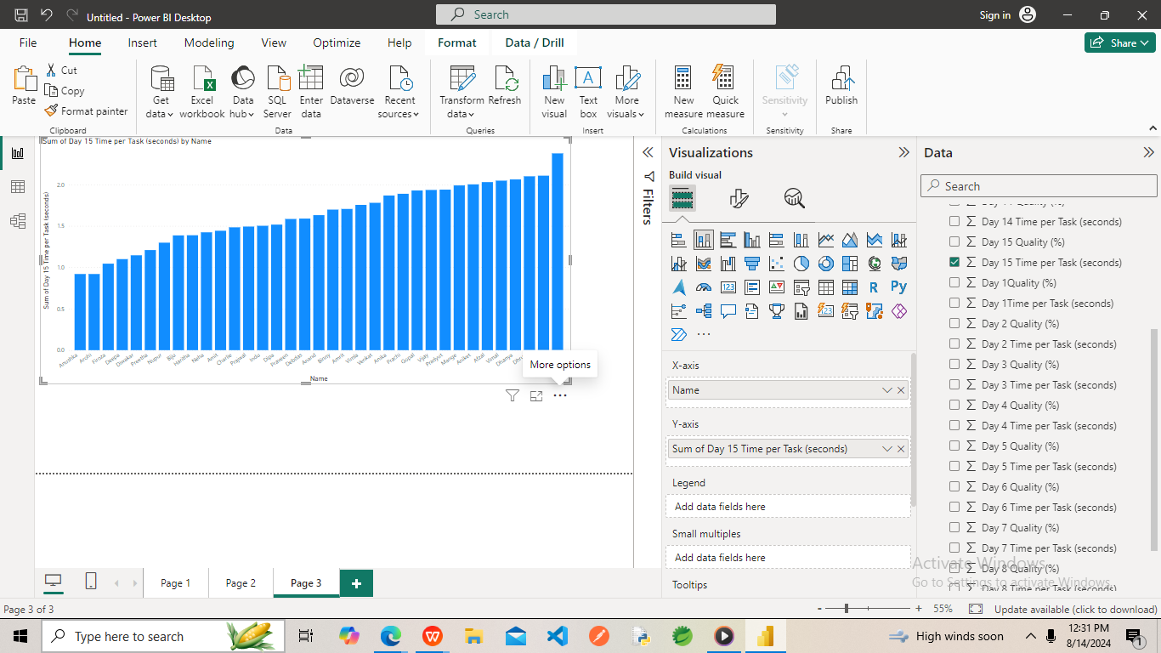
Who are the top 3 members with the lowest TPT on the 15th Day
Ans=>Anushka,Arohi,Firoza members with the lowest TPT on the 15th Day

Q4 B
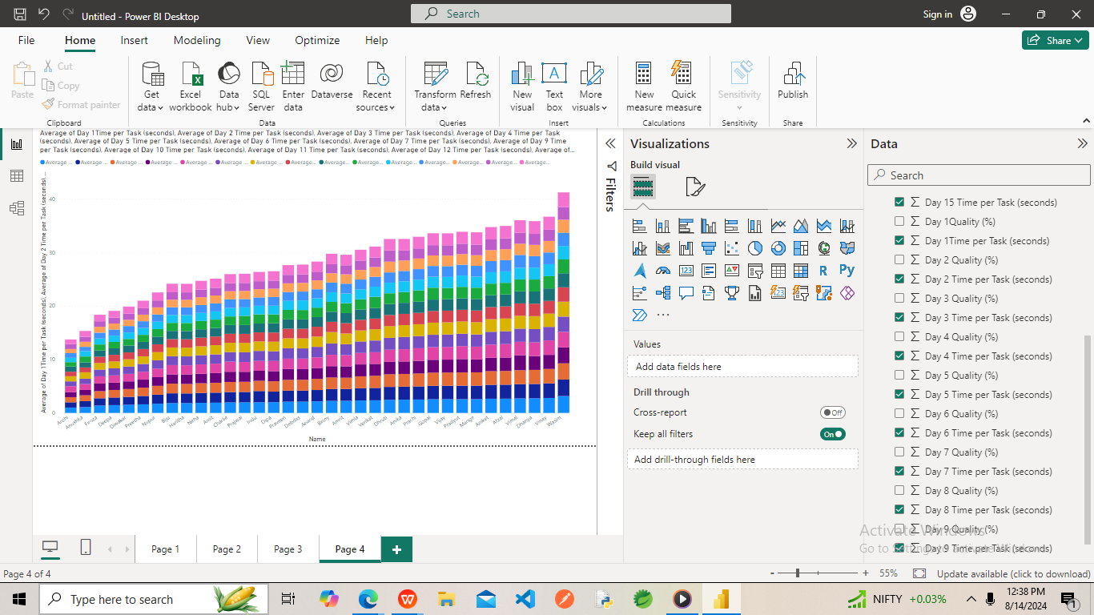
who are the top 3 members with the lowest average TPT against day 1 to day 15? Are they the same person?
Ans=>Anushka,Arohi,Firoza members with the lowest TPT against day 1 to Day 15

Q6
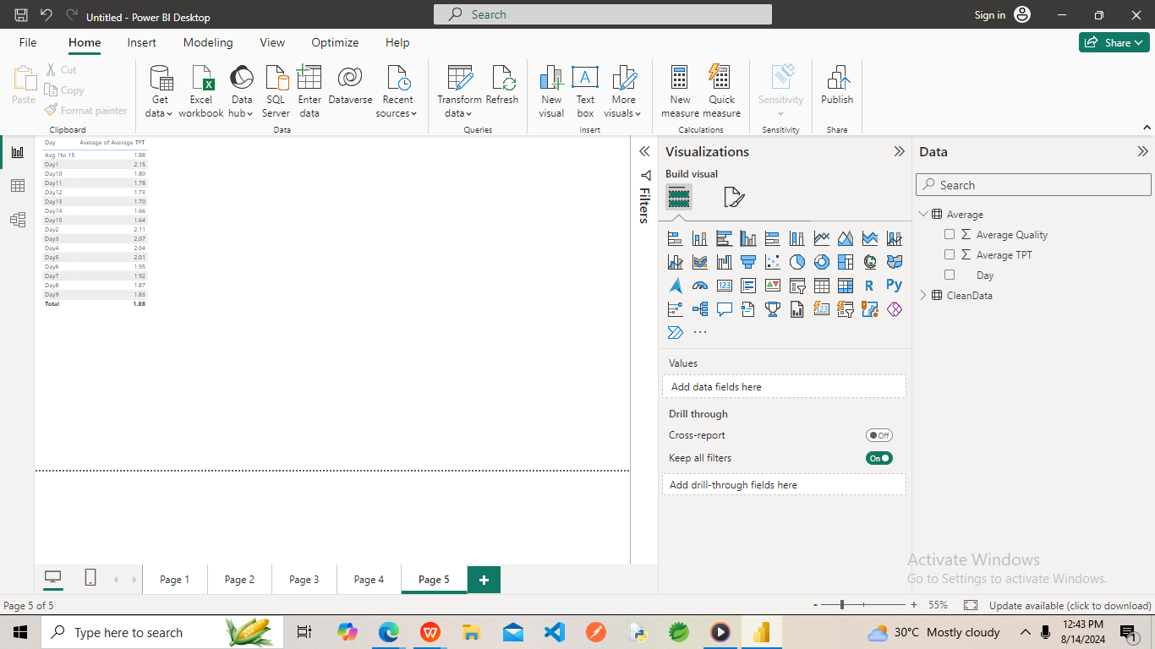
What is the average of TPT against each day?

Task2 A
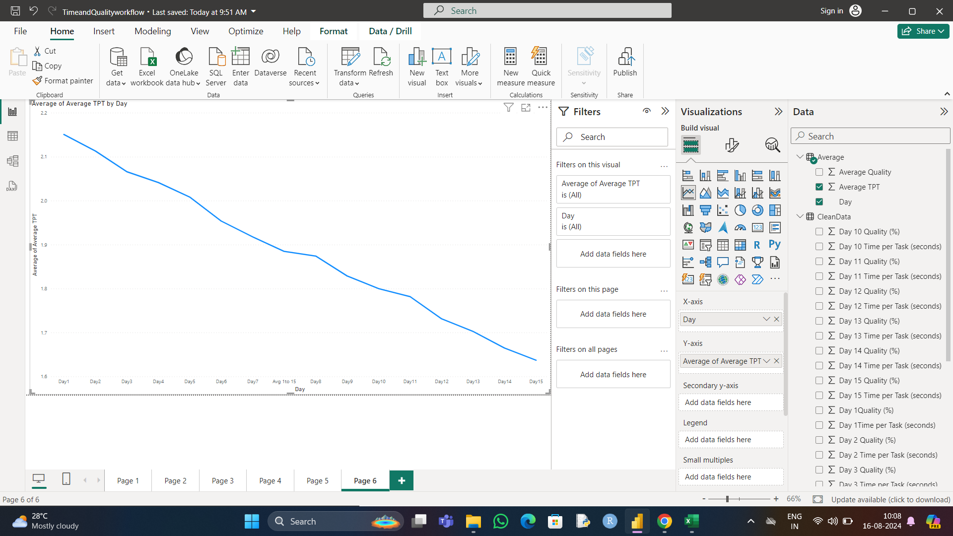
Did the average TPT improve?

Ans=> N0

